Dashboard
Web Page Bug chart
Web Page Total Bugs | Open Bugs | Closed Bugs | Dev completed | To test | Questions | Suggestions | Rejected | High Open Bugs | Medium Open Bugs | Low Open Bugs | Nominal | Readiness | Blank | Web Page Dev Assigned Nominal High And Medium Bugs Open Bugs and Questions | Bogdan | Gowthami | Mihaita | Ionut | Gary C | Oz | Bogdan E
108 | 51 | 17 | 27 | 1 | 2 | 8 | 2 | 8 | 11 | 32 | 69 | 20 | 0 |  | 13 | 2 | 0 | 1 | 2 | 0 | 3

PIM Total Bugs | Open Bugs | Closed Bugs | Dev completed | To test | Questions | Suggestions | Rejected | High Open Bugs | Medium Open Bugs | Low Open Bugs | Nominal | Readiness | Blank | PIM Dev Assigned | Arvind | Maciej | Cristian | Piotr | Gowthami | N/A2 | N/A3
79 | 61 | 12 | 0 | 1 | 3 | 2 | 0 | 11 | 37 | 13 | 17 | 5 | 57 |  | 3 | 1 | 2 | 2 | 0 | 0 | 0
PIM Bug chart

OMS Total Bugs | Open Bugs | Closed Bugs | Dev completed | To test | Questions | Suggestions | Rejected | High Open Bugs | Medium Open Bugs | Low Open Bugs | Nominal | Readiness | Blank | OMS Dev Assigned | N/A | N/A1 | N/A2 | N/A3 | N/A4 | N/A5 | N/A6
7 | 7 | 0 | 0 | 0 | 0 | 0 | 0 | 1 | 6 | 12 | 7 | 0 | 0 |  | 0 | 0 | 0 | 0 | 0 | 0 | 0
OMS Bug chart

Web Page Screenshots
Screenshot ID
1 | 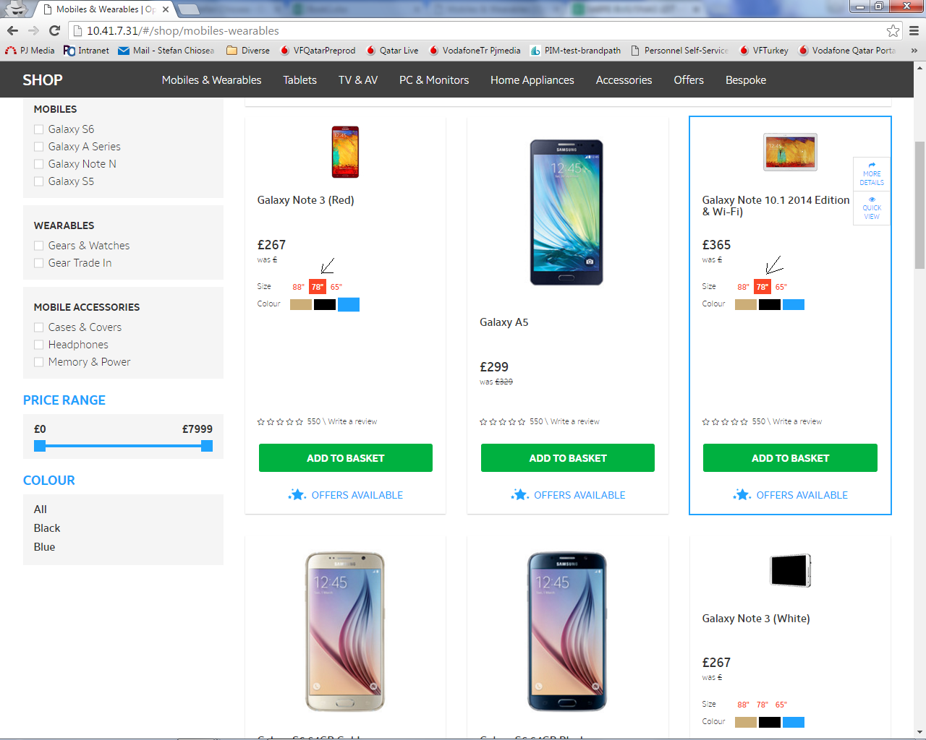
2 | 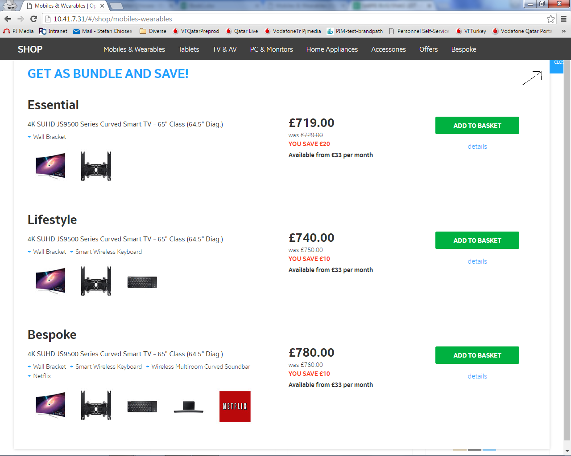
3 | 
4
5 | 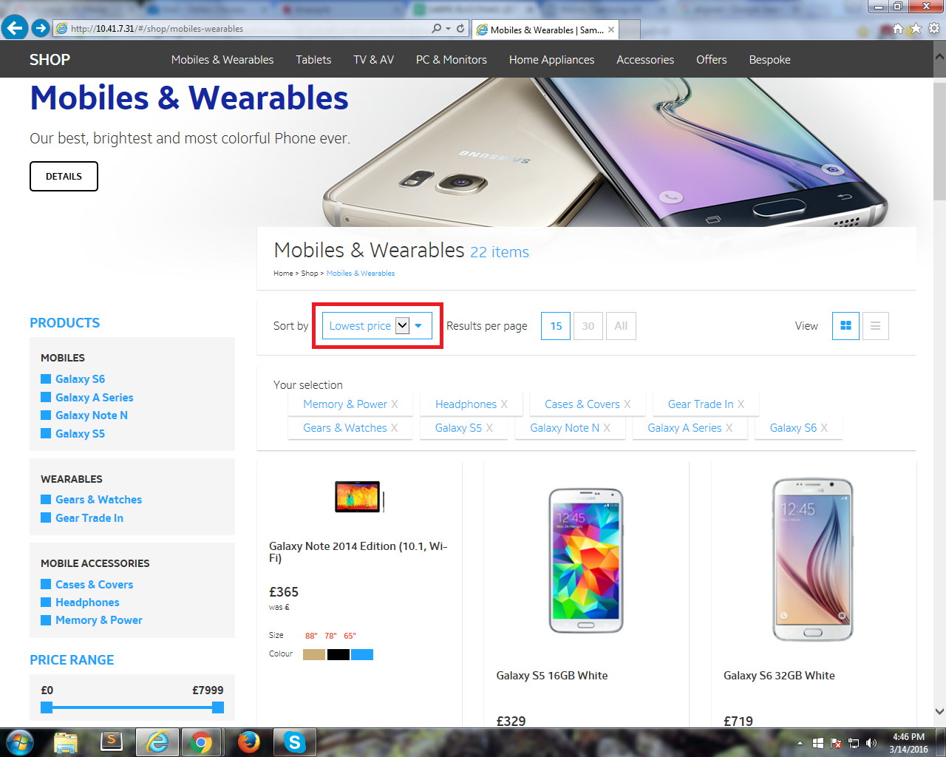
bug ID 99

PIM Screenshots
Bug ID
Bug Id 1
Bug ID 37 | 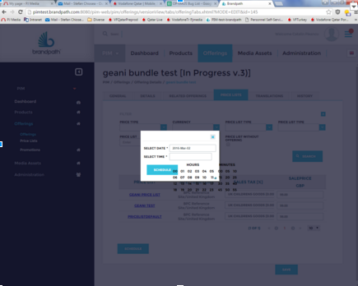
Bug ID 56 | 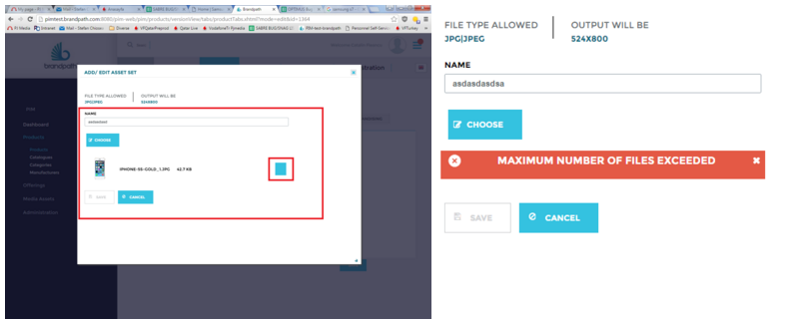
Bug ID 57

